Attrition & Active Employees...
Attrition Status | Count of Attrition | Attrition | Active Employees
No | 1233 | 237 | 1233
Yes | 237

Attrition Status | Count of Attrition in % | Attrition in %
No | 83.88% | 16.12%
Yes | 16.12%

Average of Age |  | Average Age
37 |  | 37

Gender | Sum of Employee Count
Female | 40%
Male | 60%

Attrition | Yes

Educatio wise Attrition | Count of Attrition
Doctoral Degree | 5
High School | 31
Associates Degree | 44
Master's Degree | 58
Bachelor's Degree | 99

Attrition | Yes

Row Labels | Count of Attrition | Attrition by job roles | Count of Attrition
Human Resources | 12 | Human Resources | 12
Laboratory Technician | 62 | Laboratory Technician | 62
Research Scientist | 47 | Research Scientist | 47
Sales Executive | 57 | Sales Executive | 57
Sales Representative | 33 | Sales Representative | 33

Attrition | Yes

Attrition by Department | Count of Attrition
HR | 5%
R&D | 56%
Sales | 39%

Attrition | Yes

Attrition by Age Group | Count of Attrition
25 - 34 | 112
35 - 44 | 51
45 - 54 | 25
Over 55 | 11
Under 25 | 38

Attrition | Yes

Row Labels | Count of Attrition
Divorced | 33
Married | 84
Single | 120

Dashboard - Sample
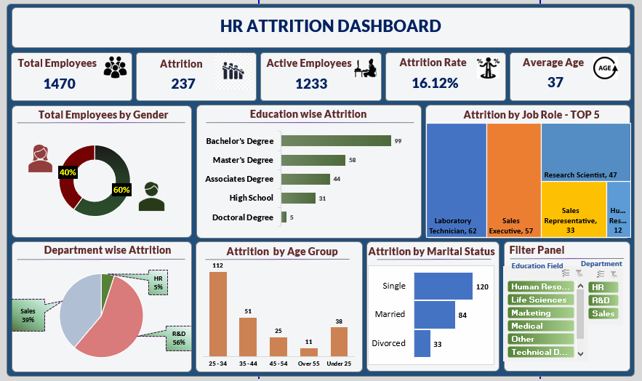

Dasboard - Assignment
`
HR Attrition Dashboard

Total Employees
Attrition
Active Employees
Attrition Rate
Average Age

1470
237
1233
16.12%
37

Total Employees by Gender
Education wise Attrition
Attrition by Job Role - Top 5

 | Total
Doctoral Degree | 5
High School | 31
Associates Degree | 44
Master's Degree | 58
Bachelor's Degree | 99
 | Total
Female | 40%
Male | 60%

Department wise Attrition
Attrition by Age Group
Attrition by Marital Status

 | Total
HR | 5%
R&D | 56%
Sales | 39%
 | Total
25 - 34 | 112
35 - 44 | 51
45 - 54 | 25
Over 55 | 11
Under 25 | 38
 | Total
Divorced | 33
Married | 84
Single | 120

